Sheet1
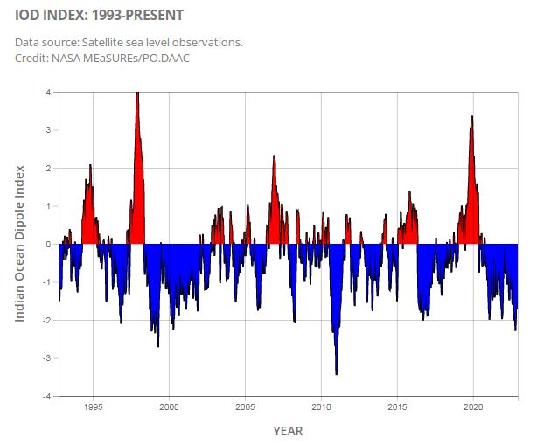
Year | Jan | Feb | Mar | Apr | May | Jun | Jul | Aug | Sep | Oct | Nov | Dec
2011 | 0.192 | 0.242 | 0.367 | 0.154 | -0.089 | 0.055 | 0.223 | 0.344 | 0.202 | 0.356 | 0.336 | -0.128
2012 | 0.046 | -0.078 | 0.026 | -0.271 | -0.37 | 0.001 | 0.546 | 0.652 | 0.453 | 0.11 | -0.1 | 0.268
2013 | -0.065 | 0.189 | 0.083 | -0.297 | -0.506 | -0.497 | -0.18 | -0.194 | -0.31 | -0.168 | 0.199 | 0.141
2014 | -0.101 | -0.089 | -0.151 | -0.058 | -0.092 | -0.028 | -0.363 | -0.372 | -0.145 | 0.141 | 0.01 | 0.046
2015 | -0.1 | -0.345 | -0.241 | -0.008 | 0.24 | 0.296 | 0.225 | 0.567 | 0.294 | 0.483 | 0.347 | 0.272
2016 | 0.266 | -0.11 | -0.009 | 0.146 | -0.113 | -0.443 | -0.758 | -0.444 | -0.437 | -0.372 | -0.382 | -0.31
2017 | -0.086 | 0.101 | 0.357 | 0.499 | 0.536 | 0.424 | 0.52 | 0.349 | 0.034 | 0.016 | 0.289 | 0.109
2018 | -0.2 | 0.215 | -0.12 | -0.083 | 0.122 | 0.155 | 0.053 | 0.122 | 0.604 | 0.685 | 0.5 | 0.309
2019 | 0.387 | 0.416 | 0.224 | 0.258 | 0.539 | 0.605 | 0.597 | 0.436 | 0.893 | 0.964 | 0.835 | 0.243
2020 | 0.173 | 0.054 | 0.019 | -0.011 | 0.298 | 0.454 | 0.32 | -0.183 | -0.19 | 0.074 | 0.02 | 0.03
2021 | 0.051 | 0.243 | 0.266 | 0.25 | 0.009 | -0.002 | -0.228 | -0.099 | -0.058 | -0.091 | 0.069 | -0.12
2022 | -0.056 | -0.083 | -0.093 | -0.068 | -0.122 | -0.335 | -0.195 | -0.246 | -0.322 | -0.691 | -0.269 | -9999

